Checklist 301
Test Case ID: | 301
Test Case Name: | TC_ New Comments page creation - UI
Status: | New
Test Type: | UI
Author: | Volodymyr Zubchynskyi
Creation Date: | 09/21/2012
Automation: | Recommended
Priority: | High
Objective: | To verify that UI for 'New Comments' page corresponds to mock up.
Pre-Conditions and Setup: | The ‘New Comments’ page is opened.
# | Steps | Instructions | Version (Build) #
 |  |  | Status | Comments | Execution Date
1 | Verify the UI controls presence |  | PASS | All UI controls presence | 2017-04-30
 | Verify the UI controls alignment |  | FAIL | Apply button, active checkbox | 2017-04-30
 | Verify size and font of labels. |  | INVALID | We don`t know, which fonts must be | 2017-04-30
2 | Verify spelling of labels. |  | PASS |  | 2017-04-30
3 | Verify that 'Comment Text' field is empty by default |  | PASS | Field is empty | 2017-04-30
4 | Verify that 'Number’ field is empty by default |  | PASS | Number field is empty | 2017-04-30
5 | Verify that ‘Active’ checkbox is checked by default |  | PASS | Active is checked by default | 2017-04-30
6 | Verify that status of 'Active' checkbox is changed by click. |  | FAIL | It changed after 2nd click | 2017-04-30
7 | Verify tabulation. |  | FAIL | Availible Categories, Selected Categories | 2017-04-30
8 | Verify that all UI controls are visible on the screen after page resizing. | * resize by corresponding button in the top right corner of the form * resize by dragging the corner of window | PASS | Resizing works correctly | 2017-04-30
Test Data: | 2017-04-30
Attachments: | 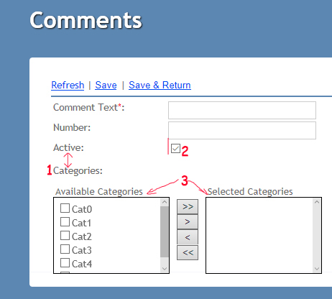

Defects
# | Summary |  | Actual Result | Expected Result | Priority
1 | Categories lower on few pixels #1 |  | Categories lower on few pixels | Must be actual size as textboxes above. | low
2 | Active checkbox is not aligned #2 |  | Active checkbox is not aligned | Must be aligned as other controls | low
3 | Availible Categories and Selected Categories is not aligned #3 |  | Availible Categories and Selected Categories is not aligned | Must be aligned | low
4 | Active checkbox is not working correctly #2 |  | Active checkbox is not changing state after one click | Active checkbox must change state after click | medium
5 | Apply button is not aligned and is not an actual size |  | Apply button is not aligned and is not an actual size | Must be aligned and changed size | low

